Sheet1
 | Document No. |  | Issue No. | Issue Date |  |  | Review and Replace Date |  | Authorised By
 | GFF490MC |  | 2 | 03.02.2025 |  |  | 10.09.2025 |  | Magda Shah
 | Document Title |  | COOK EGG FRIED RICE 160G
Document amendments reason for change | Product code & Recipe Updated |  |  | Page 1 of 1 |  | Previous Issue Date |  | 03.02.2025 | Uncontrolled copy unless signed original

FEFRI3-R8TCO |  | COOK | EGG FRIED RICE 160G | FROZEN

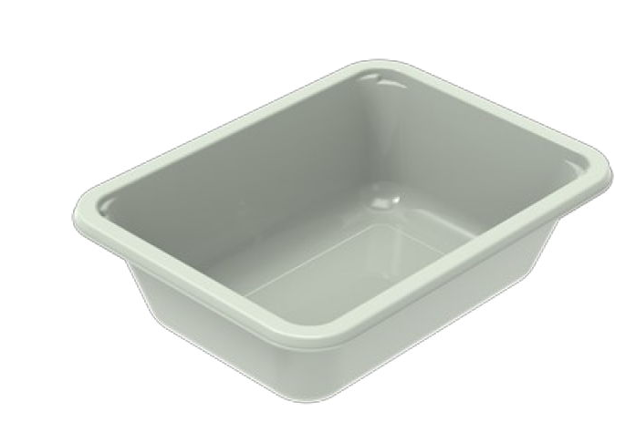   |  |  |  |  | 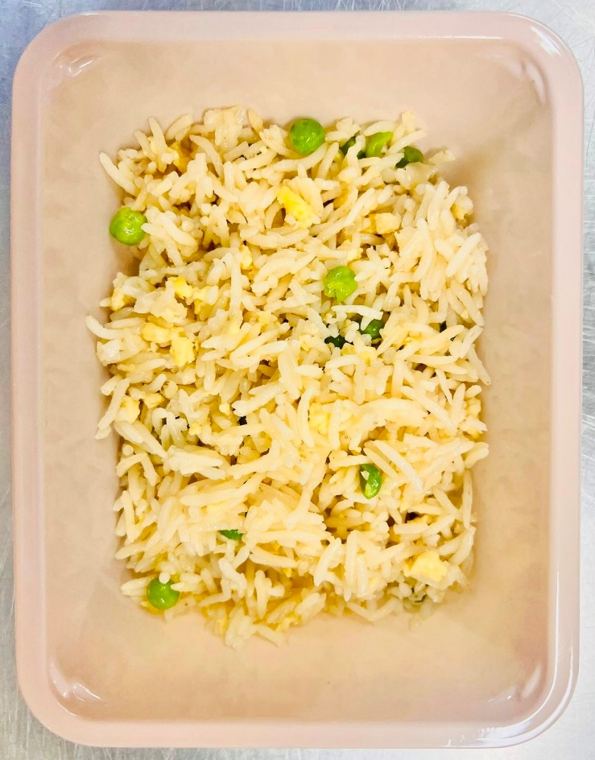

PROCESS TO FOLLOW:
- Pack Egg Fried rice CHILLED in correct tray (NO GAS)
- Send to sleeving for sleeves & BB date application
- Once sleeves applied, product to be placed in a cage and sent to Blast Freezer - Dispatch for freezing

Tray: EVOLVE CPET 2171-1F FROST (PKRHP001-14) |  |  |  |  | Egg Fried Rice (GFF515R) 160g
Film: K Peel 3G 25µm (275mmX1000lm)(PKKMP001-04) |  |  |  |  | Total Weight: 160g
ALLERGY ALERT: EGG, SOYA

